Solution -->
ARPPU
Solution |  | Row Labels | Sum of Profit
 |  | Portland | $4.90
City | Profit | Cleveland | $3.62
Columbus | $1.90 | Russia | $3.60
Cincinnati | $3.07 | Cincinnati | $3.07
Cleveland | $3.62 | Indianapolis | $1.96
Las Vegas | -$0.50 | Columbus | $1.90
Miami | $0.55 | Birmingham | $1.28
Indianapolis | $1.96 | Miami | $0.55
Birmingham | $1.28 | Las Vegas | -$0.50
Portland | $4.90 | Grand Total | 20.383811806
Russia | $3.60

Population
Population
Row Labels | Sum of population
Columbus | 899908
Indianapolis | 875694
Portland | 654378
Las Vegas | 653963
Miami | 467103
Cleveland | 381386
Cincinnati | 304445
Birmingham | 208889
Grand Total | 4445766

Number_Of_Restaurants
Number of restaurants
Row Labels | Sum of NumberOfRest
Cincinnati | 169
Las Vegas | 114
Miami | 99
Columbus | 91
Portland | 77
Birmingham | 76
Cleveland | 62
Grand Total | 688

Cost_Index
Cost index result
 | index
Cincinnati | 94
Orlando | 94.4
Tampa | 94.6
Cleveland | 94.6
San Antonio | 94.7
Atlanta | 95.1
Charlotte | 95.2
Miami | 95.4
St. Louis | 96.1
Kansas | 96.2
Portland | 97.6
city | index | rank
Portland | 97.6 | 18
Kansas | 96.2 | 10
St. Louis | 96.1 | 9
Miami | 95.4 | 8
Charlotte | 95.2 | 7
Atlanta | 95.1 | 6
San Antonio | 94.7 | 5
Tampa | 94.6 | 3
Cleveland | 94.6 | 4
Orlando | 94.4 | 2
Cincinnati | 94 | 1

Crime_Rate
crime rate index
 | crime index
Columbus | 362.4
Canton
Portland | 431
Moraine
Cincinnati | 508.3
Indianopolis | 583.7
Cleveland | 713.3
Birmigham | 875.8
city | crime index
Columbus | 362.4
Portland | 431
Cincinnati | 508.3
Indianopolis | 583.7
Cleveland | 713.3
Birmigham | 875.8

Income_Rate
city | Estimated per capita income | Estimated median household income
Portland | $45,035 | $76,231
Cincinnati | $33,910 | $46,260
Columbus | $31,843 | $57,118
Income rate
 | Estimated per capita income | Estimated median household income
Portland | 45035 | 76231
Cincinnati | 33910 | 46260
Columbus | 31843 | 57118
Indianapolis | 29008 | 49661
Birmingham | 25552 | 36753
Cleveland | 21782 | 32053
Indianapolis | $29,008 | $49,661
Birmingham | $25,552 | $36,753
Cleveland | $21,782 | $32,053

Poverty
city | poverty
Portland | 12.3%
Indianapolis | 15.8%
 | poverty
Portland | 0.123
Indianapolis | 0.158
Columbus | 0.163
Cincinnati | 0.231
Birmingham | 0.252
Cleveland | 0.308
Columbus | 16.3%
Cincinnati | 23.1%
Birmingham | 25.2%
Cleveland | 30.8%

Unemployment
city | unemployment
Cleveland | 4.6%
Columbus | 5.2%
Unemployment
 | unemployment
Cleveland | 0.046
Columbus | 0.052
Indianapolis | 0.063
Portland | 0.064
Cincinnati | 0.065
Birmingham | 0.068
Indianapolis | 6.3%
Portland | 6.4%
Cincinnati | 6.5%
Birmingham | 6.8%

Price_To_Rent
city | City Centre | Outside of Centre
Birmingham | 28.95 | 24.25
Columbus | 25.79 | 14.53
Portland | 13.76 | 12.22
PRICE TO RENT RATIO
 | City Centre
Birmingham | 28.95
Columbus | 25.79
Portland | 13.76
Indianapolis | 7.58
Cincinnati | 7.34
Cleveland | 6.68
Indianapolis | 7.58 | 6.09
Cincinnati | 7.34 | 6.72
Cleveland | 6.68

City_Rate
city | median hosehold income | per capita income | cost index result | poverty | unemployment | population | ARPPU | Price to Rent Ratio | Crime rate | Sum
Portland | 6 | 6 | 1 | 6 | 2 | 2 | 6 | 3 | 5 | 37
Columbus | 5 | 4 | 0 | 4 | 3 | 3 | 3 | 2 | 6 | 30
Cincinnati | 3 | 5 | 3 | 3 | 2 | 1 | 4 | 4 | 4 | 29
Indianapolis | 4 | 3 | 0 | 5 | 2 | 3 | 3 | 4 | 3 | 27
Cleveland | 1 | 1 | 2 | 1 | 4 | 1 | 5 | 4 | 2 | 19
Birmingham | 2 | 2 | 0 | 2 | 1 | 4 | 2 | 1 | 1 | 15

CITY' RATE
 | Sum
Portland | 37
Columbus | 30
Cincinnati | 29
Indianapolis | 27
Cleveland | 19
Birmingham | 15

Solution dashboard
ARPPU
 | Total
Portland | $4.90
Cleveland | $3.62
Russia | $3.60
Cincinnati | $3.07
Indianapolis | $1.96
Columbus | $1.90
Birmingham | $1.28
Miami | $0.55
Las Vegas | -$0.50
Population
 | Total
Columbus | 899908
Indianapolis | 875694
Portland | 654378
Las Vegas | 653963
Miami | 467103
Cleveland | 381386
Cincinnati | 304445
Birmingham | 208889
 |  | Solution

1.Calculate the unit economy
1.1 | Calculated the cost of dishes for each city and each menu item
1.2 | Calculate the profit for each dish
1.3 | Calculate ARPPU based on the composition of the order ( order composition )
Conclusion: according to the results of calculations, we came to 6 cities (Columbus, Cincinnati, Cleveland, Portland, Indianapolis, Birmingham), since their profit indicators were positive

2.1 | Calculated the density of restaurants by city
2.2 | Added data on population, income, crime rate, poverty, unemployment, cost index ( Cost index ), price to rent ratio ( Price to Rent Ratio ), then conducted descriptive, inductive analyzes
Income rate
 | Estimated per capita income | Estimated median household income
Portland | 45035 | 76231
Cincinnati | 33910 | 46260
Columbus | 31843 | 57118
Indianapolis | 29008 | 49661
Birmingham | 25552 | 36753
Cleveland | 21782 | 32053
Poverty
 | Series1
100.0% | 0.123
200.0% | 0.158
300.0% | 0.163
400.0% | 0.231
500.0% | 0.252
600.0% | 0.308
2.3 | Built a rating table of cities ( City' rate )
Conclusion: according to the results of the analysis, the opening of the first institution is most appropriate in Portland (*dark green areas). It occupies a leading position according to the results of the constructed rating model. We also believe that Columbus is also an excellent option for doing business, it is economically stable based on indicators such as: Estimated per capita income and Estimated median household income. Another good option is the city of Cincinnati, according to The KPMG study for 2016 - the best city to do business (low rent)

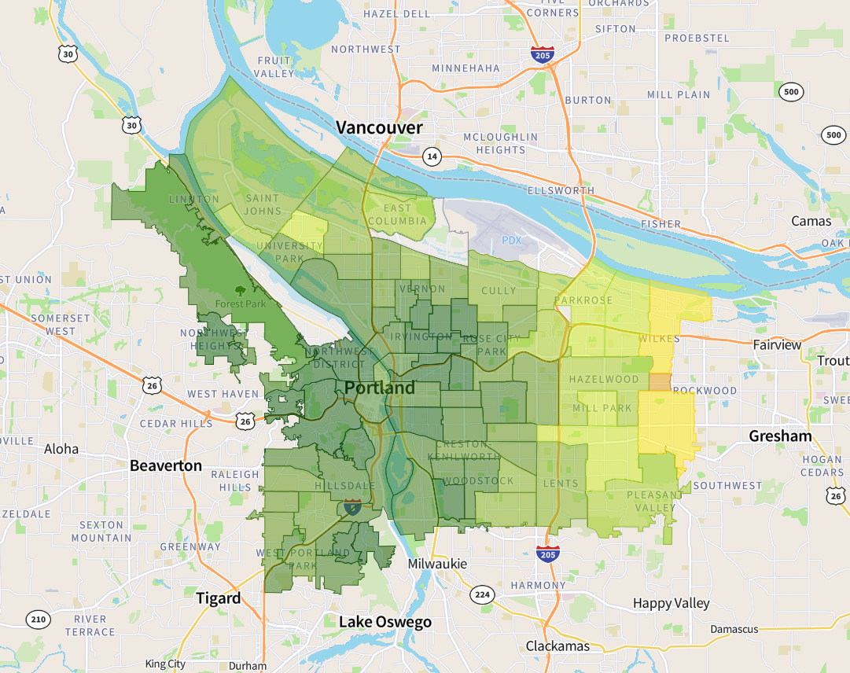

Сrime rate index
 | crime index
Columbus | 362.4
Canton
Portland | 431
Moraine
Cincinnati | 508.3
Indianopolis | 583.7
Cleveland | 713.3
Birmigham | 875.8
Unemployment
 | unemployment
Cleveland | 0.046
Columbus | 0.052
Indianapolis | 0.063
Portland | 0.064
Cincinnati | 0.065
Birmingham | 0.068

Number of restaurants
 | Total
Cincinnati | 169
Las Vegas | 114
Miami | 99
Columbus | 91
Portland | 77
Birmingham | 76
Cleveland | 62
City Rate
 | Sum
Portland | 37
Columbus | 30
Cincinnati | 29
Indianapolis | 27
Cleveland | 19
Birmingham | 15

